Show Page
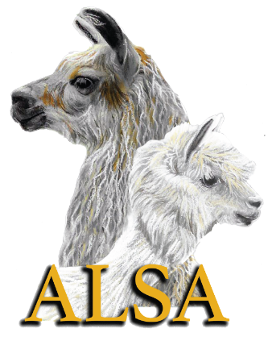

 |  | ALSA SHOW RESULTS

 | Name of Show:_____________________________________________

 | Date:_____________________________________________________

 | Location:__________________________________________________

 | Show Superintendent:_______________________________________

 | Contact Info:_______________________________________________

 | Show Clerk:________________________________________________

Within 15 days after a show, the following must be sent to the ALSA Office.
 | 1. ALSA Recap Sheet
 | 2. Official Results (this form or another form containing the same information)
 | 3. A list of exhibitors with addresses and ALSA membership numbers.
 | 4. The signed Judge's cards (Not required, if not sending please keep for 6-12 months)
 | 5. Fleece Summary (with fleece show results sheet) Within 30 days following a show

Within 30 days following a show, the ALSA fees must be sent to the ALSA Office.
 | 1. ALSA fees - $5.00 per any animal entered in the show including Get Of Sire and Produce.
 | 2. Non-members fees of $60.00 per farm
 | 3. Youth non-member fee of$15.00 per youth
 | 4. Fiber fees should be submitted with Fiber results

Please don't forget to submit the Judge's Evaluation Form to the Judge's Committee.
 | This is very important for ALSA's files.

