Show Page
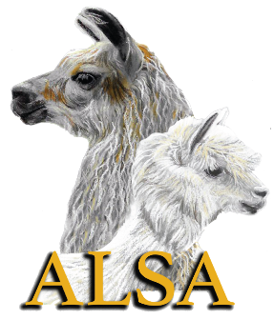

 |  | ALSA FLEECE SHOW RESULTS

Name of Show:____________________________________________________________________________
Date:_____________________________________________________________________________________
Location:_________________________________________________________________________________
Show Superintendent:______________________________________________________________________
Contact Info:______________________________________________________________________________
Show Clerk:_______________________________________________________________________________
Contact Info:______________________________________________________________________________

 | Please give your Fleece Show a name and listing separate from your halter and performance show.
 | (eg. The Perfect Llama Show is offering fleece classes in addition to halter classes. Please list these fleece
 | classes as The Perfect Llama Fleece Show, This will help the office place your Fleece Show listing and results
 | correctly so it is easier to locate all Fleece Show opportunities and results. Your Fleece Show should have
 | separate show sanctioning form and fee.

 | Within 15 days after a show, the following must be sent to the ALSA Office.
 | 1. ALSA Recap Sheet
 | 2. Official Fleece Show Results Form
 | 3. An alphabetical list of exhibitors with addresses and ALSA membership numbers.
 | 4. The signed Judges' cards (No longer required but recommended that they be saved for 1 year.)
 | 5. Fleece Summary

 | Within 30 days following a show, the ALSA fees must be sent to the ALSA office.
 | 1. ALSA Fees $3.00 per any fleece entry unless the animal is already entered in the same show in a halter,
 | peformance or youht class.
 | 2. Non-Member Adult and Farm Fee $50.00 per farm/adult.
 | 3. Non-Member Youth Fee $15.00 per youth.

 |  |  | ALSA Office
 |  |  | PO Box 850
 |  |  | Decatur, IN 46733
 |  |  | alsashowsec@gmail.com
 |  |  | 281-516-1442

